Sheet1
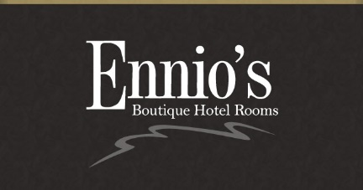
ENNIO'S PARTY MENU PRE-ORDER #2
 | 2025
PRE-ORDER FORM

NAME………………………………………………… |  |  |  |  |  |  |  | TELEPHONE…………………………………………………
DATE AND TIME OF BOOKING…………………………..CONTACT NAME………………………………………..

 | NAME | SOUP | BEEF BRESAOLA | FRITTO MISTO | BURRATA | VEAL CHOP | SEA BASS | PENNE PASTA | CHICKEN | CRÈME BRULEE | CHEESECAKE | TIRAMISU | CHOCOLATE TORTE | CHEESE SELECTION | ICE CREAM or SORBET | Special request/allergies
1
2
3
4
5
6
7
8
9
10
11
12
13
14
15
16
17
18
19
20
21
22
23
24
25
26
27
28
29
30

TOTALS

