Sheet1
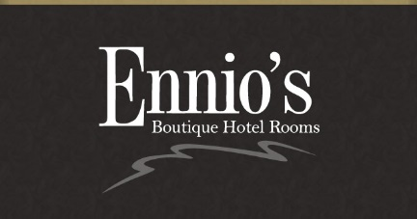
 | PARTY MENU #1 2025
ENNIO'S PARTY MENU PRE-ORDER #1

PRE-ORDER FORM

NAME……….......... |  |  |  | TELEPHONE…………………………………………………
DATE AND TIME OF BOOKING……….........……..CONTACT NAME………………………………………..

 | NAME | TROUT | CHICKEN | PENNE PASTA | LASAGNE | CHEESECAKE | TIRAMISU | CHOCOLATE TORTE | Ice Cream or Sorbets | Special request/allergies
1
2
3
4
5
6
7
8
9
10
11
12
13
14
15
16
17
18
19
20
21
22
23
24
25
26
27
28
29
30

TOTALS

